MWFRS (Low-Rise)
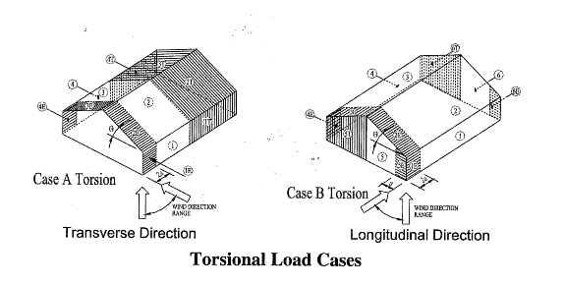
WIND LOADING ANALYSIS - Main Wind-Force Resisting System |  |  |  |  |  |  |  | Version 2.4 Updated 10/20/15
Per ASCE 7-10 Code for Enclosed or Partially Enclosed Buildings
Using Method 2: Analytical Procedure (Section 27 & 28) for Low-Rise Buildings
Job Name: |  |  |  | Subject:
Job Number: |  |  |  | Originator: |  | Checker:

Input Data:

Wind
B
Wind Speed, V = | 110 | mph (Wind Map, Figure 26.5-1A-C)
Bldg. Classification = | II | (Table 1.5-1 Risk Category)
Exposure Category = | C | (Sect. 26.7)
Ridge Height, hr = | 12.50 | ft. (hr >= he)
Eave Height, he = | 12.50 | ft. (he <= hr)
Building Width = | 20.00 | ft. (Normal to Building Ridge)
L
Building Length = | 60.00 | ft. (Parallel to Building Ridge)
Plan
Roof Type = | Monoslope | (Gable or Monoslope)
Topo. Factor, Kzt = | 1.00 | (Sect. 26.8 & Figure 26.8-1)
Direct. Factor, Kd = | 0.85 | (Table 26.6)
θ º
Enclosed? (Y/N) | Y | (Sect. 26.2 & Table 26.11-1)
hr
Hurricane Region? | N
h<=60'
he
Resulting Parameters and Coefficients:
L
Elevation
Roof Angle, q = | 0.00 | deg.
Mean Roof Ht., h = | 12.50 | ft. (h = he, for angle <=10 deg.)

Check Criteria for a Low-Rise Building:
1. Is h <= 60' ? | Yes, O.K. |  | 2. Is h <= Lesser of L or B? |  |  | Yes, O.K.

External Pressure Coeff's., GCpf (Fig. 28.4-1):
(For values, see following wind load tabulations.)
Positive & Negative Internal Pressure Coefficients, GCpi (Table 26.11-1):
+GCpi Coef. = | 0.18 | (positive internal pressure)
-GCpi Coef. = | -0.18 | (negative internal pressure)

If h < 15 then: Kh = 2.01*(15/zg)^(2/a) (Table 28.3-1)
If h >= 15 then: Kh = 2.01*(z/zg)^(2/a) (Table 28.3-1)
a = | 9.50 | (Table 26.9-1)
zg = | 900 | (Table 26.9-1)
Kh = | 0.85 | (Kh = Kz evaluated at z = h)

Velocity Pressure: qz = 0.00256*Kz*Kzt*Kd*V^2 (Sect. 28.3.2, Eq. 28.3-1)
qh = | 22.35 | psf | qh = 0.00256*Kh*Kzt*Kd*V^2 (qz evaluated at z = h)
Design Net External Wind Pressures (Sect. 28.4.1):
p = qh*[(GCpf) - (+/-GCpi)] (psf, Eq. 28.4-1)

Wall and Roof End Zone Widths 'a' and '2*a' (Fig. 28.4-1):
a = | 3.00 | ft.
2*a = | 6.00 | ft.

MWFRS Wind Load for Load Case A |  |  |  | MWFRS Wind Load for Load Case B
Surface | GCpf | p = Net Pressures (psf) |  | Surface | *GCpf | p = Net Pressures (psf)
 |  | (w/ +GCpi) | (w/ -GCpi) |  |  | (w/ +GCpi) | (w/ -GCpi)
Zone 1 | 0.40 | 4.92 | 12.96 | Zone 1 | -0.45 | -14.08 | -6.03
Zone 2 | -0.69 | -19.45 | -11.40 | Zone 2 | -0.69 | -19.45 | -11.40
Zone 3 | -0.37 | -12.29 | -4.25 | Zone 3 | -0.37 | -12.29 | -4.25
Zone 4 | -0.29 | -10.50 | -2.46 | Zone 4 | -0.45 | -14.08 | -6.03
Zone 5 | --- | --- | --- | Zone 5 | 0.40 | 4.92 | 12.96
Zone 6 | --- | --- | --- | Zone 6 | -0.29 | -10.50 | -2.46
Zone 1E | 0.61 | 9.61 | 17.66 | Zone 1E | -0.48 | -14.75 | -6.71
Zone 2E | -1.07 | -27.94 | -19.89 | Zone 2E | -1.07 | -27.94 | -19.89
Zone 3E | -0.53 | -15.87 | -7.82 | Zone 3E | -0.53 | -15.87 | -7.82
Zone 4E | -0.43 | -13.63 | -5.59 | Zone 4E | -0.48 | -14.75 | -6.71
Zone 5E | --- | --- | --- | Zone 5E | 0.61 | 9.61 | 17.66
Zone 6E | --- | --- | --- | Zone 6E | -0.43 | -13.63 | -5.59

*Note: Use roof angle q = 0 degrees for Longitudinal Direction.
For Case A when GCpf is neg. in Zones 2/2E: |  |  |  | For Case B when GCpf is neg. in Zones 2/2E:
Zones 2/2E dist. = | 10.00 | ft. |  |  | Zones 2/2E dist. = | 30.00 | ft.
Remainder of roof Zones 2/2E extending to ridge line shall use roof Zones 3/3E pressure coefficients.

MWFRS Wind Load for Load Case A, Torsional Case |  |  |  | MWFRS Wind Load for Case B, Torsional Case
Surface | GCpf | p = Net Pressure (psf) |  | Surface | GCpf | p = Net Pressure (psf)
 |  | (w/ +GCpi) | (w/ -GCpi) |  |  | (w/ +GCpi) | (w/ -GCpi)
Zone 1T | --- | 1.23 | 3.24 | Zone 1T | --- | -3.52 | -1.51
Zone 2T | --- | -4.86 | -2.85 | Zone 2T | --- | -4.86 | -2.85
Zone 3T | --- | -3.07 | -1.06 | Zone 3T | --- | -3.07 | -1.06
Zone 4T | --- | -2.63 | -0.61 | Zone 4T | --- | -3.52 | -1.51
Zone 5T | --- | --- | --- | Zone 5T | --- | 1.23 | 3.24
Zone 6T | --- | --- | --- | Zone 6T | --- | -2.63 | -0.61

Notes: 1. For Load Case A (Transverse), Load Case B (Longitudinal), and Torsional Cases:
Zone 1 is windward wall for interior zone. |  |  |  | Zone 1E is windward wall for end zone.
Zone 2 is windward roof for interior zone. |  |  |  | Zone 2E is windward roof for end zone.
Zone 3 is leeward roof for interior zone. |  |  |  | Zone 3E is leeward roof for end zone.
Zone 4 is leeward wall for interior zone. |  |  |  | Zone 4E is leeward wall for end zone.
Zones 5 and 6 are sidewalls. |  |  |  | Zone 5E & 6E is sidewalls for end zone.
Zone 1T is windward wall for torsional case |  |  |  | Zone 2T is windward roof for torsional case.
Zone 3T is leeward roof for torsional case |  |  |  | Zone 4T is leeward wall for torsional case.
Zones 5T and 6T are sidewalls for torsional case.
2. (+) and (-) signs signify wind pressures acting toward & away from respective surfaces.
3. Building must be designed for all wind directions using the 8 load cases shown below. The
load cases are applied to each building corner in turn as the reference corner.
4. Wind loads for torsional cases are 25% of respective transverse or longitudinal zone load values.
Torsional loading shall apply to all 8 basic load cases applied at each reference corner.
Exception: One-story buildings with "h" <= 30', buildings <= 2 stories framed with light frame
construction, and buildings <=2 stories designed with flexible diaphragms need not be
designed for torsional load cases.
5. Per Code Section 28.4.4, the minimum wind load for MWFRS shall not be less than 16 psf.

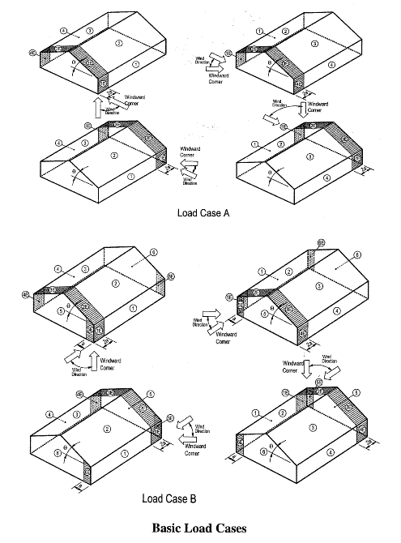
Low-Rise
Buildings
h <= 60'

MWFRS (Any Ht.)
WIND LOADING ANALYSIS - Main Wind-Force Resisting System |  |  |  |  |  |  | Version 2.4 Updated 10/20/15
Per ASCE 7-10 Code for Enclosed or Partially Enclosed Buildings
Using Method 2: Analytical Procedure (Section 27) for Buildings of Any Height
Job Name: |  |  | Subject:
Job Number: |  |  | Originator: |  | Checker:

Input Data:

B
Wind
Wind Direction = | Normal | (Normal or Parallel to building ridge)
Wind Speed, V = | 130 | mph (Wind Map, Figure 26.5-1A-C)
Bldg. Classification = | II | (Table 1.4-1 Risk Cat.)
Exposure Category = | B | (Sect. 26.7)
Ridge Height, hr = | 40.00 | ft. (hr >= he)
Eave Height, he = | 25.00 | ft. (he <= hr)
L
Building Width = | 30.00 | ft. (Normal to Building Ridge)
Plan
Building Length = | 40.00 | ft. (Parallel to Building Ridge)
Roof Type = | Gable | (Gable or Monoslope)
Topo. Factor, Kzt = | 1.00 | (Sect. 26.8 & Table 26.8-1)
θ º
Direct. Factor, Kd = | 0.85 | (Table 26.6-1)
Enclosed? (Y/N) | Y | (Sect. 6.2 & Figure 6-5)
hr
Hurricane Region? | N
h
Damping Ratio, b = | 0.050 | (Suggested Range = 0.010-0.070)
he
Period Coef., Ct = | 0.0350 | (Suggested Range = 0.020-0.035)
 |  | (Assume: T = Ct*h^(3/4) , and f = 1/T)

L
Resulting Parameters and Coefficients:
Elevation
Roof Angle, q = | 45.00 | deg.
Mean Roof Ht., h = | 32.50 | ft. (h = (hr+he)/2, for roof angle >10 deg.) |  |  |  | L = 30 ft.
Windward Wall Cp = | 0.80 | (Fig. 27.4-1) |  |  |  | B = 40 ft.
Leeward Wall Cp = | -0.50 | (Fig. 27.4-1)
Side Walls Cp = | -0.70 | (Fig. 27-4.1)
Windward Roof Cp = | 0.00 |  | (Fig. 27-4.1) | (Condition #1)
Windward Roof Cp = | 0.00 |  | (Fig. 27-4.1) | (Condition #2)
Leeward Roof Cp = | -0.60 |  | (Fig. 27-4.1)
 |  |  | (Fig. 27-4.1)
+GCpi Coef. = | 0.18 | (Table 26.11-1) | (positive internal pressure)
-GCpi Coef. = | -0.18 | (Table 26.11-1) | (negative internal pressure)

If z <= 15 then: Kz = 2.01*(15/zg)^(2/a) , If z > 15 then: Kz = 2.01*(z/zg)^(2/a) (Table 27.3-1)
a = | 7.00 | zg = | 1200 | (Table 26.9-1)
Kh = | 0.72 | (Kh = Kz evaluated at z = h)

Velocity Pressure: qz = 0.00256*Kz*Kzt*Kd*V^2*I (Eq. 27.3-1)
qh = | 26.36 | psf | qh = 0.00256*Kh*Kzt*Kd*V^2 (qz evaluated at z = h)
Ratio h/L = | 1.083 | freq., f = | 2.099 | hz. | (f >= 1, Rigid structure)
Gust Factor, G = | 0.850 | (Sect. 26.9)
Design Net External Wind Pressures (Sect. 27.4):
p = qz*G*Cp - qi*(+/-GCpi) for windward wall (psf), where: qi =qh (Eq. 27.4-1)
p = qh*G*Cp - qi*(+/-GCpi) for leeward wall, sidewalls, and roof (psf), where: qi = qh (Eq. 27.4-1)

Normal to Ridge Wind Load Tabulation for MWFRS - Buildings of Any Height
Surface | z | Kz | qz | Cp | p = Net Design Press. (psf) |  |  | User Input for Height, z (ft.):
 | (ft.) |  | (psf) |  | (w/ +GCpi) | (w/ -GCpi) |  | N | Use Input Values?
Windward Wall | 0 | 0.57 | 21.13 | 0.80 | 9.63 | 19.12
 | 15.00 | 0.57 | 21.13 | 0.80 | 9.63 | 19.12
 | 20.00 | 0.62 | 22.95 | 0.80 | 10.86 | 20.35
 | 25.00 | 0.67 | 24.46 | 0.80 | 11.89 | 21.37
 | 30.00 | 0.70 | 25.76 | 0.80 | 12.77 | 22.26
 | 35.00 | 0.73 | 26.92 | 0.80 | 13.56 | 23.05
For z = hr: | 40.00 | 0.76 | 27.97 | 0.80 | 14.28 | 23.77

For z = he: | 25.00 | 0.67 | 24.46 | 0.80 | 11.89 | 21.37
For z = h: | 32.50 | 0.72 | 26.36 | 0.80 | 13.18 | 22.67
Leeward Wall | All | - | - | -0.50 | -15.95 | -6.46
Side Walls | All | - | - | -0.70 | -20.43 | -10.94
Roof (windward) cond. 1 | - | - | - | 0.00 | -4.74 | 4.74

Roof (windward) cond. 2 | - | - | - | 0.00 | -4.74 | 4.74
 | - | - | -
Roof (leeward) | - | - | - | -0.60 | -18.19 | -8.70
 | - | - | -

Notes: 1. (+) and (-) signs signify wind pressures acting toward & away from respective surfaces.
2. Per Code Section 27.4.7, the minimum wind load for MWFRS shall not be less than 16 psf.

Determination of Gust Effect Factor, G:

Is Building Flexible? | No | f >=1 Hz.

1: Simplified Method for Rigid Building
G = | 0.850

Parameters Used in Both Item #2 and Item #3 Calculations (from Table 26.9-1):
a^ = | 0.143
b^ = | 0.84
a(bar) = | 0.250
b(bar) = | 0.45
c = | 0.30
l = | 320 | ft.
e(bar) = | 0.333
z(min) = | 30 | ft.

Calculated Parameters Used in Both Rigid and/or Flexible Building Calculations:
z(bar) = | 30.00 | = 0.6*h , but not < z(min) , ft. Table 26.9-1
Iz(bar) = | 0.305 | = c*(33/z(bar))^(1/6) , Eq. 26.9-7
Lz(bar) = | 309.99 | = l*(z(bar)/33)^(e(bar)) , Eq. 26.9-9
gq = | 3.4 | (3.4, per Sect. 26.9.4)
gv = | 3.4 | (3.4, per Sect. 26.9.4)
gr = | 4.363 | = (2*(LN(3600*f)))^(1/2)+0.577/(2*LN(3600*f))^(1/2) , Eq. 26.9-11
Q = | 0.894 | = (1/(1+0.63*((B+h)/Lz(bar))^0.63))^(1/2) , Eq. 26.9-8

2: Calculation of G for Rigid Building
G = | 0.862 | = 0.925*((1+1.7*gq*Iz(bar)*Q)/(1+1.7*gv*Iz(bar))) , Eq. 26.9-6

3: Calculation of Gf for Flexible Building
b = | 0.050 | Damping Ratio
Ct = | 0.035 | Period Coefficient
T = | 0.476 | = Ct*h^(3/4) , sec. (Approximate fundamental period)
f = | 2.099 | = 1/T , Hz. (Natural Frequency)
V(fps) = | N.A. | = V(mph)*(88/60) , ft./sec.
V(bar,zbar) = | N.A. | = b(bar)*(z(bar)/33)^(a(bar))*V*(88/60) , ft./sec. , Eq. 26.9-16
N1 = | N.A. | = f*Lz(bar)/(V(bar,zbar)) , Eq. 26.9-14
Rn = | N.A. | = 7.47*N1/(1+10.3*N1)^(5/3) , Eq. 26.9-13
hh = | N.A. | = 4.6*f*h/(V(bar,zbar))
Rh = | N.A. | = (1/hh)-1/(2*hh^2)*(1-e^(-2*hh)) for hh>0, or = 1 for hh=0 ,Eq. 26.9-15a, b
hb = | N.A. | = 4.6*f*B/(V(bar,zbar))
RB = | N.A. | = (1/hb)-1/(2*hb^2)*(1-e^(-2*hb)) for hb>0, or = 1 for hb=0,Eq. 26.9-15a, b
hd = | N.A. | = 15.4*f*L/(V(bar,zbar))
RL = | N.A. | = (1/hd)-1/(2*hd^2)*(1-e^(-2*hd)) for hd>0, or = 1 for hd=0 ,Eq. 26.9-15a, b
R = | N.A. | = ((1/b)*Rn*Rh*RB*(0.53+0.47*RL))^(1/2) , Eq. 26.9-12
Gf = | N.A. | = 0.925*(1+1.7*Iz(bar)*(gq^2*Q^2+gr^2*R^2)^(1/2))/(1+1.7*gv*Iz(bar)) ,
Use: G = | 0.850 |  |  |  |  | Eq. 26.9-10

Figure 27.4-1 - Design Wind Load Cases of MWFRS for Buildings of All Heights

Case 1: Full design wind pressure acting on the projected area perpendicular to each principal axis of
the structure, considered separately along each principal axis.
Case 2: Three quarters of the design wind pressure acting on the projected area perpendicular to each
principal axis of the structure in conjunction with a torsional moment as shown, considered
separately for each principal axis.
Case 3: Wind pressure as defined in Case 1, but considered to act simultaneously at 75% of the
specified value.
Case 4: Wind pressure as defined in Case 2, but considered to act simultaneously at 75% of the
specified value.

Notes: 1. Design wind pressures for windward (Pw) and leeward (PL) faces shall be determined in
accordance with the provisions of Section 27.4.1 and 27.4.2 as applicable for buildings
of all heights.
2. Above diagrams show plan views of building.
3. Notation:
Pwx, Pwy = Windward face pressure acting in the X, Y principal axis, respectively.
PLx, PLy = Leeward face pressure acting in the X, Y principal axis, respectively.
e (ex, ey) = Eccentricity for the X, Y principal axis of the structure, respectively.
MT = Torsional moment per unit height acting about a vertical axis of the building.

Wall C&C
WIND LOADING ANALYSIS - Wall Components and Cladding |  |  |  |  |  |  |  | Version 2.4 Updated 10/20/15
Per ASCE 7-10 Code for Buildings of Any Height
Using Part 1 & 3: Analytical Procedure (Section 30.4 & 30.6)
Job Name: |  |  |  | Subject:
Job Number: |  |  |  | Originator: |  | Checker:

Input Data:

B
Wind Speed, V = | 110 | mph (Wind Map, Figure 26.5-1A-C)
Bldg. Classification = | II | (Table 1.5-1 Risk Category)
Exposure Category = | C | (Sect. 26.7)
Ridge Height, hr = | 14.67 | ft. (hr >= he)
Eave Height, he = | 14.67 | ft. (he <= hr)
Building Width = | 222.00 | ft. (Normal to Building Ridge)
L
Building Length = | 204.00 | ft. (Parallel to Building Ridge)
Plan
Roof Type = | Monoslope | (Gable or Monoslope)
Topo. Factor, Kzt = | 1.00 | (Sect. 26.8 & Figure 26.8-1)
Direct. Factor, Kd = | 0.85 | (Table 26.6)
θ º
Enclosed? (Y/N) | Y | (Sect. 28.6-1 & Figure 26.11-1)
hr
Hurricane Region? | Y
h
he
Component Name = | Wall | (Girt, Siding, Wall, or Fastener)
Effective Area, Ae = | 533 | ft.^2 (Area Tributary to C&C)
L
Resulting Parameters and Coefficients:
Elevation
Roof Angle, q = | 0.00 | deg.
Mean Roof Ht., h = | 14.67 | ft. (h = he, for roof angle <=10 deg.)

Wall External Pressure Coefficients, GCp:
GCp Zone 4 Pos. = | 0.63 | (Fig. 30.4-1, GCp is reduced by 10% for roof angle <=10 deg. )
GCp Zone 5 Pos. = | 0.63 | (Fig. 30.4-1, GCp is reduced by 10% for roof angle <=10 deg. )
GCp Zone 4 Neg. = | -0.72 | (Fig. 30.4-1, GCp is reduced by 10% for roof angle <=10 deg. )
GCp Zone 5 Neg. = | -0.72 | (Fig. 30.4-1, GCp is reduced by 10% for roof angle <=10 deg. )
Positive & Negative Internal Pressure Coefficients, GCpi (Figure 26.11-1):
+GCpi Coef. = | 0.18 | (positive internal pressure)
-GCpi Coef. = | -0.18 | (negative internal pressure)

If z <= 15 then: Kz = 2.01*(15/zg)^(2/a) , If z > 15 then: Kz = 2.01*(z/zg)^(2/a) (Table 30.3-1)
a = | 9.50 | (Table 26.9-1)
zg = | 900 | (Table 26.9-1)
Kh = | 0.85 | (Kh = Kz evaluated at z = h)

Velocity Pressure: qz = 0.00256*Kz*Kzt*Kd*V^2 (Sect. 30.3.2, Eq. 30.3-1)
qh = | 22.35 | psf | qh = 0.00256*Kh*Kzt*Kd*V^2 (qz evaluated at z = h)

Design Net External Wind Pressures (Sect. 30.4 & 30.6):
For h <= 60 ft.: p = qh*((GCp) - (+/-GCpi)) (psf)
For h > 60 ft.: p = q*(GCp) - qi*(+/-GCpi) (psf)
where: q = qz for windward walls, q = qh for leeward walls and side walls
qi = qh for all walls (conservatively assumed per Sect. 30.6)

Wind Load Tabulation for Wall Components & Cladding
Component | z | Kh | qh | p = Net Design Pressures (psf) |  |  |  |  | User Input for Height, z (ft.):
 | (ft.) |  | (psf) | Zone 4 (+) | Zone 4 (-) | Zone 5 (+) | Zone 5 (-) |  | N | Use Input Values?
Wall | 0 | 0.85 | 22.35 | 18.10 | -20.12 | 18.10 | -20.12
For z = hr: | 14.67 | 0.85 | 22.35 | 18.10 | -20.12 | 18.10 | -20.12

For z = he: | 14.67 | 0.85 | 22.35 | 18.10 | -20.12 | 18.10 | -20.12
For z = h: | 14.67 | 0.85 | 22.35 | 18.10 | -20.12 | 18.10 | -20.12

Notes: 1. (+) and (-) signs signify wind pressures acting toward & away from respective surfaces.
2. Width of Zone 5 (end zones), 'a' = |  |  |  | 8.16 | ft.
3. Per Code Section 30.2.2, the minimum wind load for C&C shall not be less than 16 psf.
4. References | : a. ASCE 7-10, "Minimum Design Loads for Buildings and Other Structures".
 | b. "Guide to the Use of the Wind Load Provisions of ASCE 7-02"
 | by: Kishor C. Mehta and James M. Delahay (2004).

Wall Components and Cladding:

 |  | Wall Zones for Buildings with h <= 60 ft.

 |  | Wall Zones for Buildings with h > 60 ft.

Roof C&C
WIND LOADING ANALYSIS - Roof Components and Cladding |  |  |  |  |  |  |  | Version 2.4 Updated 10/20/15
Per ASCE 7-10 Code for Bldgs. of Any Height with Gable Roof q <= 45o or Monoslope Roof q <= 3o
Using Part 1 & 3: Analytical Procedure (Section 30.4 & 30.6)
Job Name: |  |  |  | Subject:
Job Number: |  |  |  | Originator: |  | Checker:

Input Data:

B
Wind Speed, V = | 170 | mph (Wind Map, Figure 26.5-1A-C)
Bldg. Classification = | III | (Table 1.5-1 Risk Category)
Exposure Category = | C | (Sect. 26.7)
Ridge Height, hr = | 42.00 | ft. (hr >= he)
Eave Height, he = | 42.00 | ft. (he <= hr)
Building Width = | 222.00 | ft. (Normal to Building Ridge)
L
Building Length = | 204.00 | ft. (Parallel to Building Ridge)
Plan
Roof Type = | Gable | (Gable or Monoslope)
Topo. Factor, Kzt = | 1.00 | (Sect. 26.8 & Figure 26.8-1)
Direct. Factor, Kd = | 0.85 | (Table 26.6)
θ º
Enclosed? (Y/N) | Y | (Sect. 28.6-1 & Figure 26.11-1)
hr
Hurricane Region? | N
h
he
Component Name = | Joist | (Purlin, Joist, Decking, or Fastener)
Effective Area, Ae = | 208 | ft.^2 (Area Tributary to C&C)
L
Overhangs? (Y/N) | N | (if used, overhangs on all sides)

Elevation
Resulting Parameters and Coefficients:

Roof Angle, q = | 0.00 | deg.
Mean Roof Ht., h = | 42.00 | ft. (h = he, for roof angle <=10 deg.)

Roof External Pressure Coefficients, GCp:
GCp Zone 1-3 Pos. = | 0.20 | (Fig. 30.4-2A, 30.4-2B, and 30.4-2C)
GCp Zone 1 Neg. = | -0.90 | (Fig. 30.4-2A, 30.4-2B, and 30.4-2C)
GCp Zone 2 Neg. = | -1.10 | (Fig. 30.4-2A, 30.4-2B, and 30.4-2C)
GCp Zone 3 Neg. = | -1.10 | (Fig. 30.4-2A, 30.4-2B, and 30.4-2C)
Positive & Negative Internal Pressure Coefficients, GCpi (Figure 26.11-1):
+GCpi Coef. = | 0.18 | (positive internal pressure)
-GCpi Coef. = | -0.18 | (negative internal pressure)
If z <= 15 then: Kz = 2.01*(15/zg)^(2/a) , If z > 15 then: Kz = 2.01*(z/zg)^(2/a) (Table 30.3-1)
a = | 9.50 | (Table 26.9-1)
zg = | 900 | (Table 26.9-1)
Kh = | 1.05 | (Kh = Kz evaluated at z = h)

Velocity Pressure: qz = 0.00256*Kz*Kzt*Kd*V^2 (Sect. 30.3.2, Eq. 30.3-1)
qh = | 66.30 | psf | qh = 0.00256*Kh*Kzt*Kd*V^2 (qz evaluated at z = h)

Design Net External Wind Pressures (Sect. 30.4 & 30.6):
For h <= 60 ft.: p = qh*((GCp) - (+/-GCpi)) (psf)
For h > 60 ft.: p = q*(GCp) - qi*(+/-GCpi) (psf)
where: q = qh for roof
qi = qh for roof (conservatively assumed per Sect. 30.6)

Wind Load Tabulation for Roof Components & Cladding
Component | z | Kh | qh | p = Net Design Pressures (psf) |  |  |  |  | User Input for Height, z (ft.):
 | (ft.) |  | (psf) | Zone 1,2,3 (+) | Zone 1 (-) | Zone 2 (-) | Zone 3 (-) |  | N | Use Input Values?
Joist | 0 | 1.05 | 66.30 | 25.20 | -71.61 | -84.87 | -84.87
 | 15.00 | 1.05 | 66.30 | 25.20 | -71.61 | -84.87 | -84.87
 | 20.00 | 1.05 | 66.30 | 25.20 | -71.61 | -84.87 | -84.87
 | 25.00 | 1.05 | 66.30 | 25.20 | -71.61 | -84.87 | -84.87
 | 30.00 | 1.05 | 66.30 | 25.20 | -71.61 | -84.87 | -84.87
 | 35.00 | 1.05 | 66.30 | 25.20 | -71.61 | -84.87 | -84.87
 | 40.00 | 1.05 | 66.30 | 25.20 | -71.61 | -84.87 | -84.87
For z = hr: | 42.00 | 1.05 | 66.30 | 25.20 | -71.61 | -84.87 | -84.87

For z = he: | 42.00 | 1.05 | 66.30 | 25.20 | -71.61 | -84.87 | -84.87
For z = h: | 42.00 | 1.05 | 66.30 | 25.20 | -71.61 | -84.87 | -84.87

Notes: 1. (+) and (-) signs signify wind pressures acting toward & away from respective surfaces.
2. Width of Zone 2 (edge), 'a' = |  |  | 16.80 | ft.
3. Width of Zone 3 (corner), 'a' = |  |  | 16.80 | ft.
4. For monoslope roofs with q <= 3 degrees, use Fig. 30.4-2A for 'GCp' values with 'qh'.
5. For buildings with h > 60' and q > 10 degrees, use Fig. 30.6-1 for 'GCpi' values with 'qh'.
6. For all buildings with overhangs, use Fig. 30.4-2B for 'GCp' values per Sect. 30.10.
7. If a parapet >= 3' in height is provided around perimeter of roof with q <= 10 degrees,
Zone 3 shall be treated as Zone 2.
8. Per Code Section 30.2.2, the minimum wind load for C&C shall not be less than 16 psf.
9. References | : a. ASCE 7-02, "Minimum Design Loads for Buildings and Other Structures".
 | b. "Guide to the Use of the Wind Load Provisions of ASCE 7-02"
 | by: Kishor C. Mehta and James M. Delahay (2004).

Roof Components and Cladding:

q <= 7 deg. |  | 7 deg. < q <= 27 deg. |  |  | 27 deg. < q <= 45 deg.

 |  | Roof Zones for Buildings with h <= 60 ft.
 | (for Gable Roofs <= 45o and Monoslope Roofs <= 3o)

 |  | Roof Zones for Buildings with h > 60 ft.
 | (for Gable Roofs <= 10o and Monoslope Roofs <= 3o)

Wind Map
FIGURE 26.5-1A: Basic Wind Speed for Occupancy Category II Buildings and Other Structures
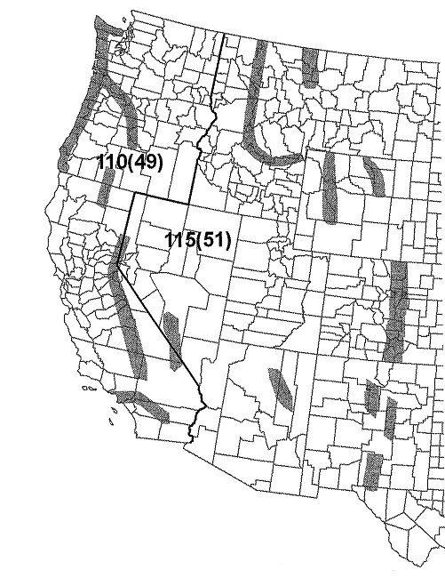

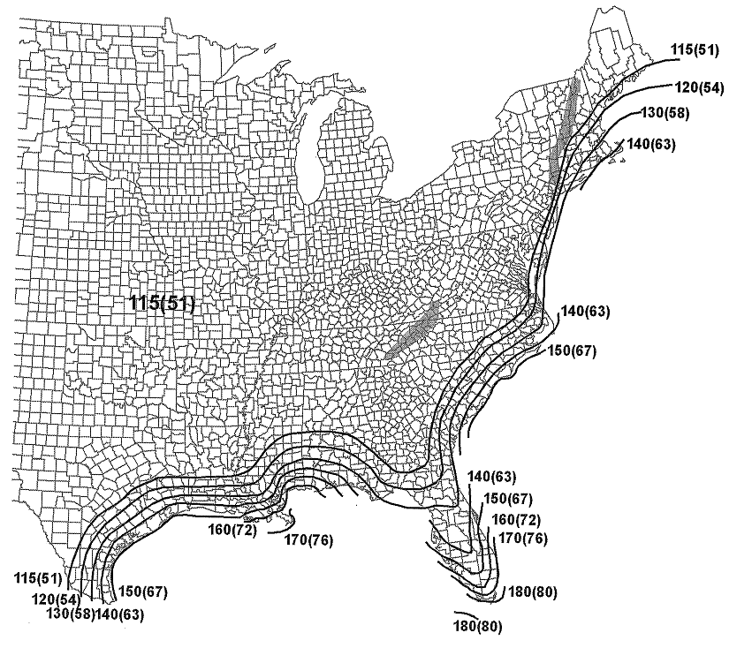

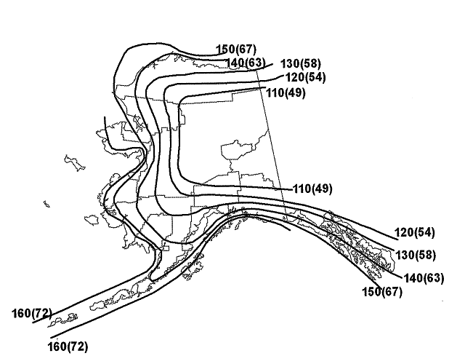
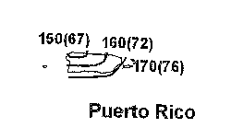

 | Notes:
 | 1. Values are nominal design 3-second gust wind speeds in miles per hour (m/s) at 33 ft above ground for Exposure C category.
 | 2. Linear interpolation between contours is allowed.
 | 3. Islands and coastal areas outside the last contour shall use the last wind speed contour of the coastal area.
 | 4. Mountainous terrain, gorges, ocean promontories, and special wind regions shall be examined for unusual wind conditions.
 | 5. Wind speeds correspond to approximately a 7% probability of exceedence in 50 years (Annual Exceedance Probability =
 | 0.00143, MRI = 700 years).

 |  | Special Wind Region

 | Location |  | V (mph) | (m/s)
 | Guam |  | 195 | (87)
 | Virgin Islands |  | 165 | (74)
 | American Samos |  | 160 | (72)
 | Hawaii - | Special Wind Region Statewide | 130 | (58)

FIGURE 26.5-1B: Basic Wind Speed for Occupancy Category III & IV Buildings and Other Structures
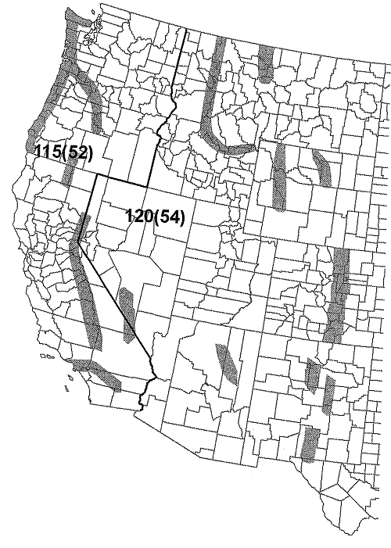
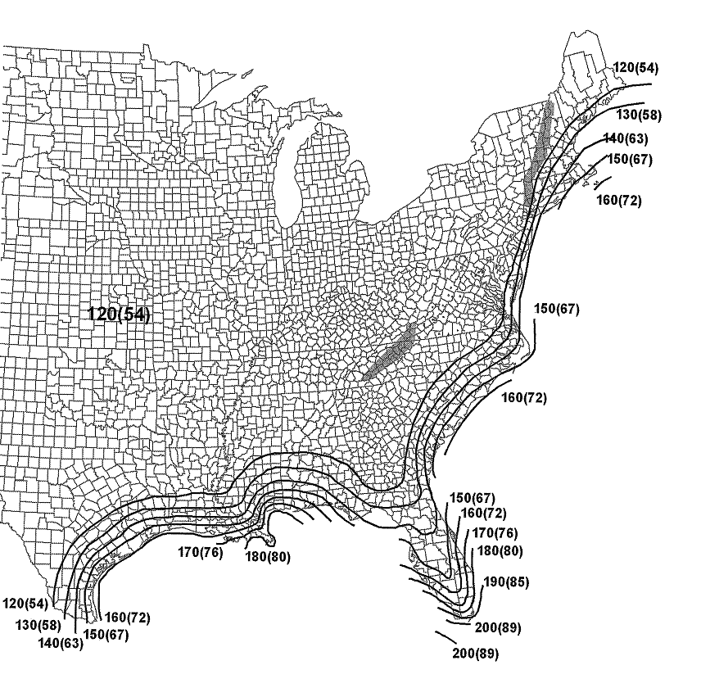

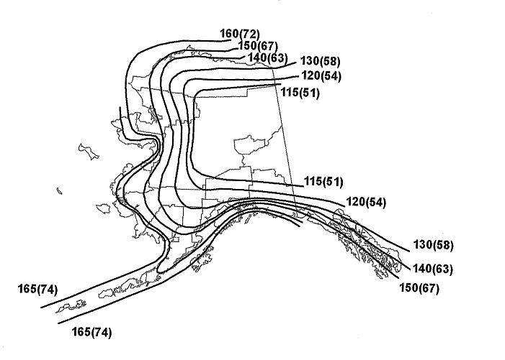
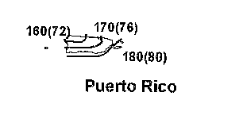

 | Notes:
 | 1. Values are nominal design 3-second gust wind speeds in miles per hour (m/s) at 33 ft above ground for Exposure C category.
 | 2. Linear interpolation between contours is allowed.
 | 3. Islands and coastal areas outside the last contour shall use the last wind speed contour of the coastal area.
 | 4. Mountainous terrain, gorges, ocean promontories, and special wind regions shall be examined for unusual wind conditions.
 | 5. Wind speeds correspond to approximately a 3% probability of exceedence in 50 years (Annual Exceedance Probability =
 | 0.00058, MRI = 1700 years).

 |  | Special Wind Region

 | Location |  | V (mph) | (m/s)
 | Guam |  | 210 | (94)
 | Virgin Islands |  | 175 | (78)
 | American Samos |  | 170 | (76)
 | Hawaii - | Special Wind Region Statewide | 145 | (65)

FIGURE 26.5-1C: Basic Wind Speed for Occupancy Category I Buildings and Other Structures
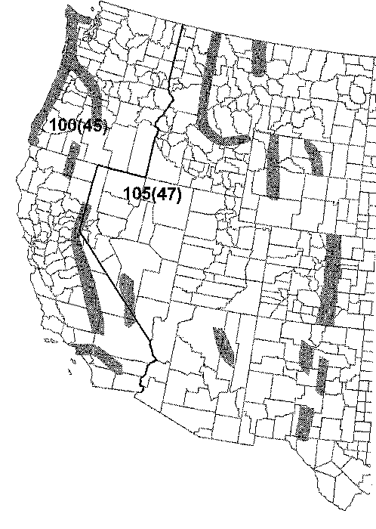

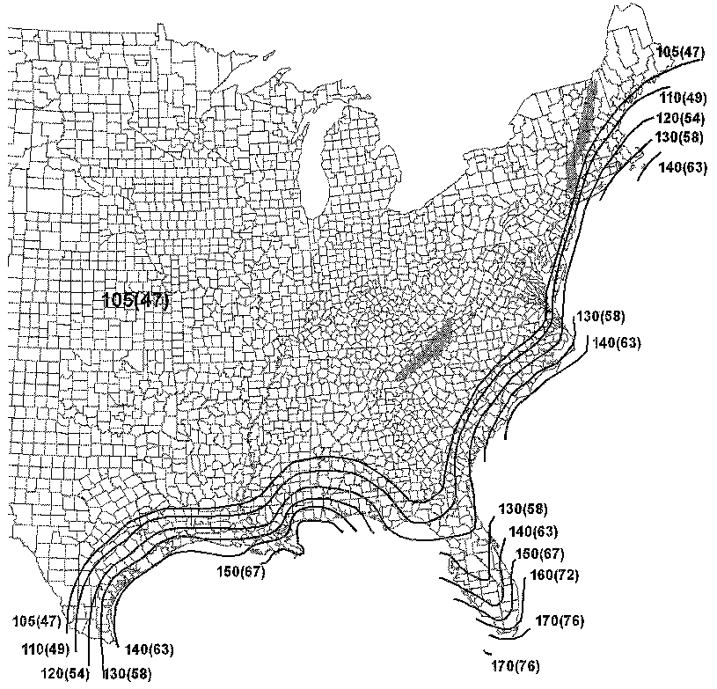

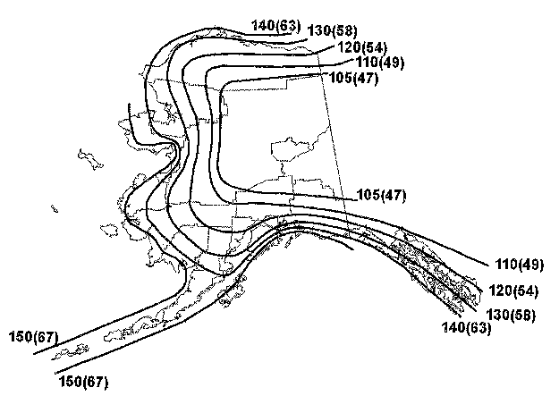
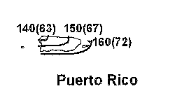

 | Notes:
 | 1. Values are nominal design 3-second gust wind speeds in miles per hour (m/s) at 33 ft above ground for Exposure C category.
 | 2. Linear interpolation between contours is allowed.
 | 3. Islands and coastal areas outside the last contour shall use the last wind speed contour of the coastal area.
 | 4. Mountainous terrain, gorges, ocean promontories, and special wind regions shall be examined for unusual wind conditions.
 | 5. Wind speeds correspond to approximately a 15% probability of exceedence in 50 years (Annual Exceedance Probability =
 | 0.00333, MRI =300 years).

 |  | Special Wind Region

 | Location |  | V (mph) | (m/s)
 | Guam |  | 180 | (80)
 | Virgin Islands |  | 150 | (67)
 | American Samos |  | 150 | (67)
 | Hawaii - | Special Wind Region Statewide | 115 | (51)

